Sheet1
 | Document No. |  | Issue No. | Issue Date |  | Review and Replace Date |  | Authorised By
 | GFF474MC |  | 2 | 15.11.2024 |  | 22.10.2025
 | Document Title |  | Lidl Xmas- 8 Vegetable Samosa w/ Mango & Corinader dip 240g
 |  |  |  |  |  |  |  | Magda Shah
Document amendments reason for change | Packaging Changed |  | Page 1 of 1 |  | Previous Issue Date |  | 15.11.2024 | Uncontrolled copy unless signed original

VSAC-R5TLI |  | LIDL- XMAS |  | 8 Vegetable Samosa with Mango & Corinader Dip 240g
Step 1 |  |  |  | Step 2
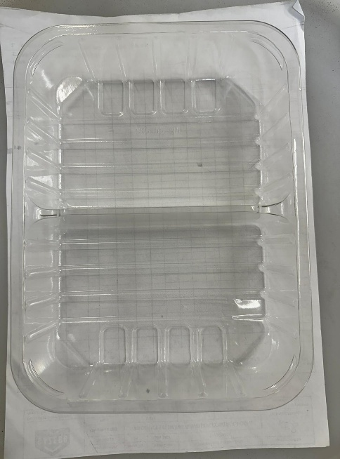 |  |  |  | 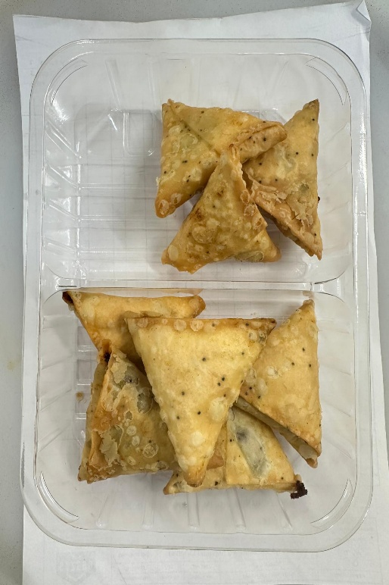

COOK DAY +18 DAYS

Tray: SK5-SPLITCL1 - 219x168x45-PKESS001-13 |  |  |  | 8 x Lidl Xmas Vegetable Samosa 25g (GFF508R): 200g
Film: AF Weld Film (300mmX1000lm) -PKKMP001-07
Step 3 |  |  |  | Step 4
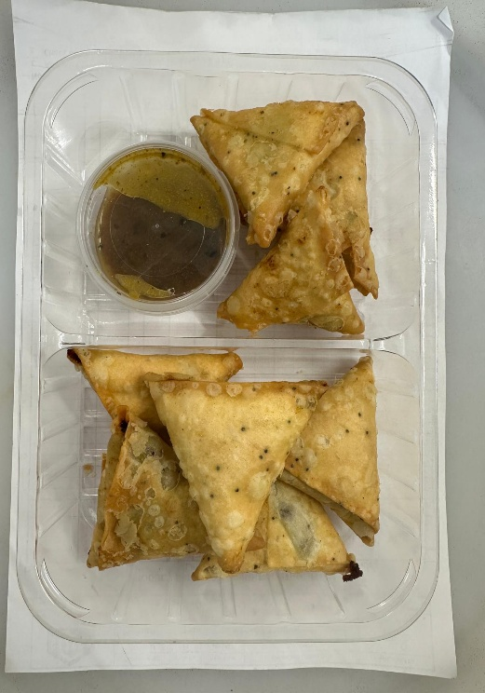 |  |  |  | 
Mango & Coriander Dip (GFF498R): 40g Dip: 80ml Round 69mm Diameter Tamper Evident Containers and Lids-PKSYS002-03 |  |  |  | 8 Vegetable Samosa w/ Mango & Corinader dip 240g
 |  |  |  |  |  |  | Total Weight: 240g
ALLERGY ALERT: Wheat

